Sheet1
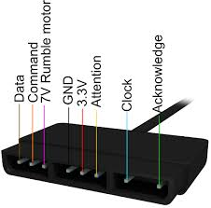
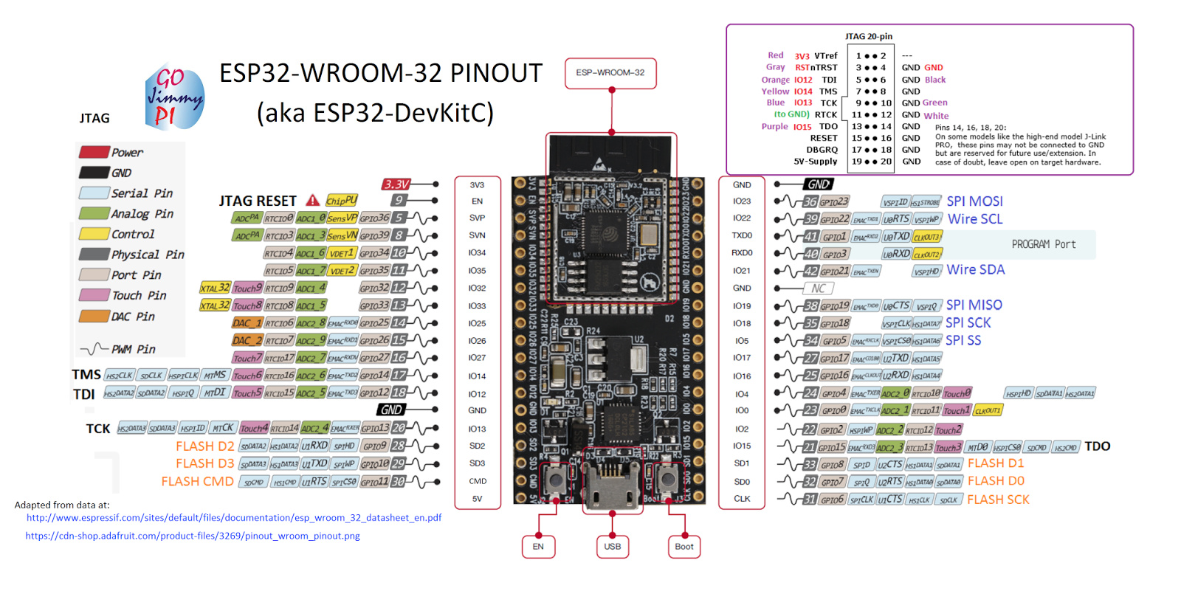
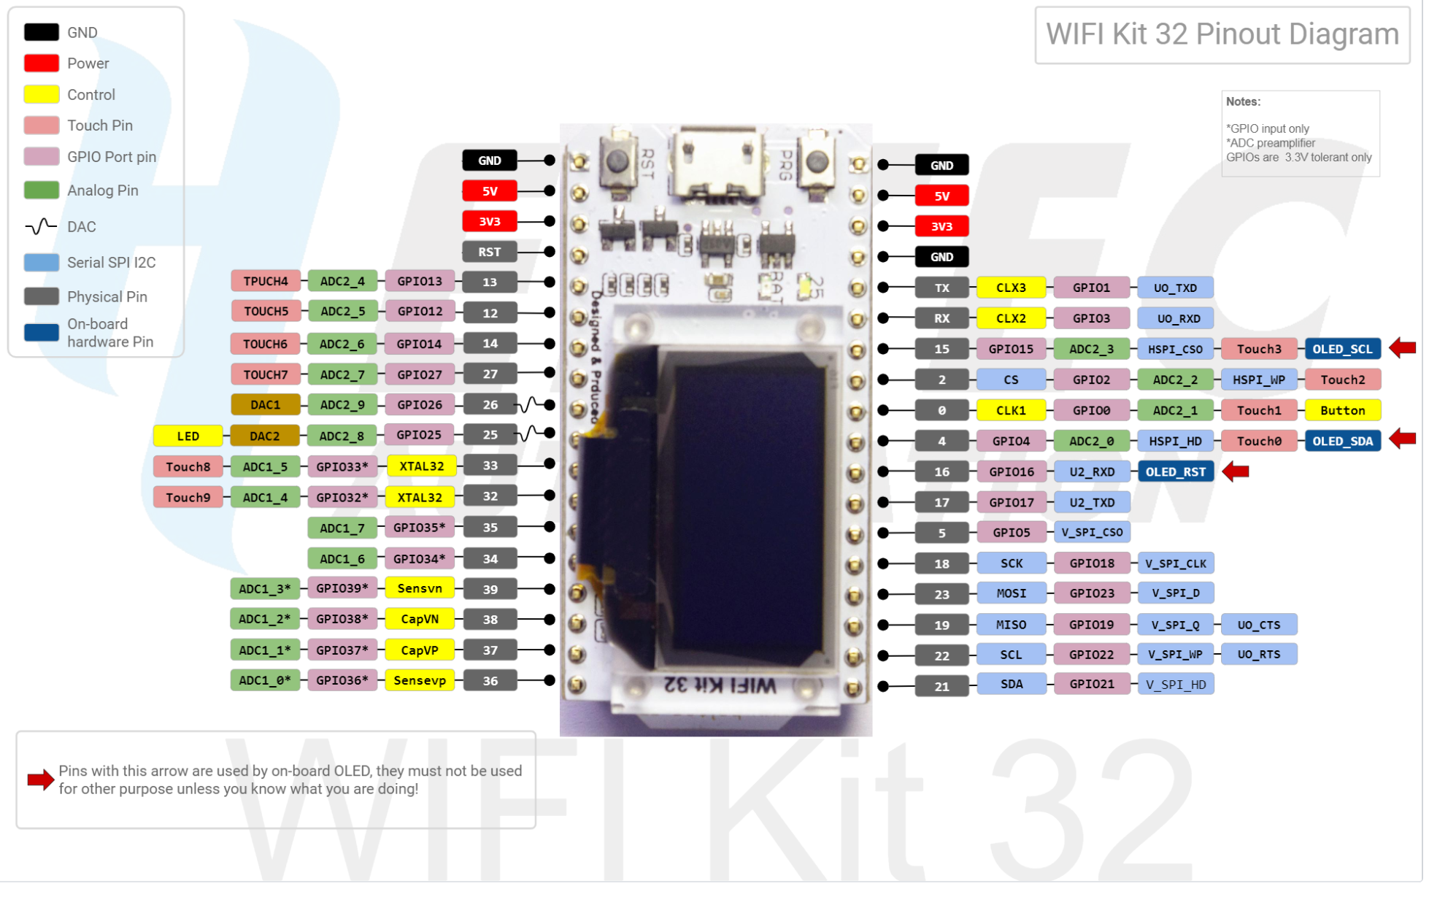
ESP32 | Screen
-- | T_IRQ
-- | T_DO
-- | T_DIN
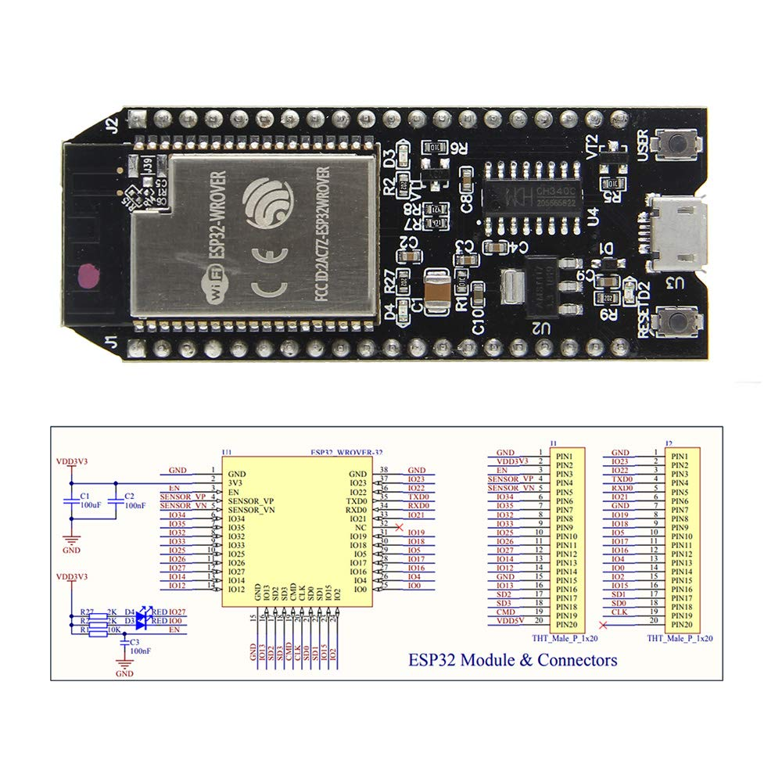
-- | T_CS
-- | T_CLK
19 | SDO (MISO)
3V3 | LED
18 | SCK
23 | SDI (MOSI)
2 | DC
0 | RESET
5 | CS
GND | GND
3V3 | VCC
 | Controller
14 | PS_CLK
27 | PS_DAT
12 | PS_ATT
13 | PS_CMD

25 | Speaker

